Client
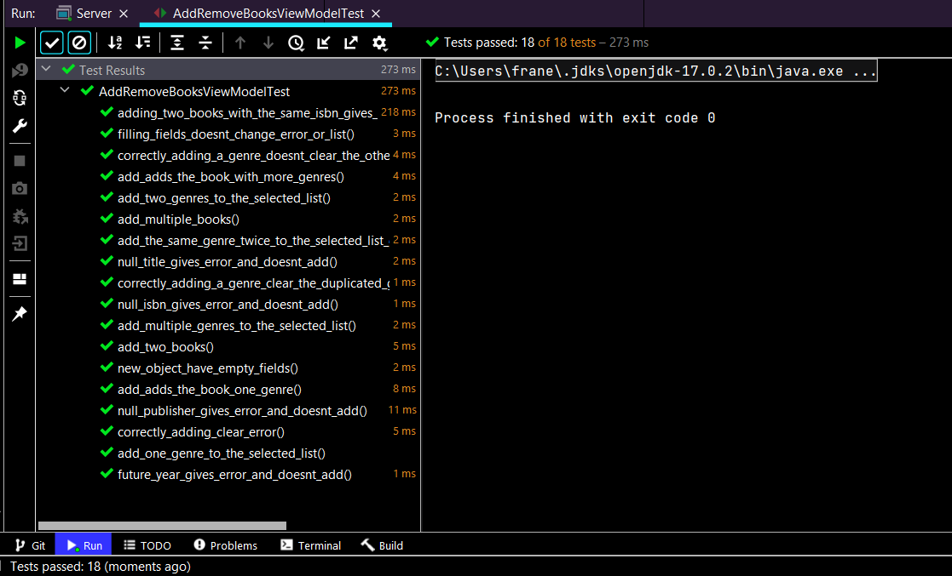
Client - client/viewModel | Name of the test: | Passed | Fail
AddRemoveBooksViewModelTest | AddRemoveBooksViewModelTest
 | adding_two_books_with_the_same_isbn_gives_error_and_doesnt_add_the_second()
 | filling_fields_doesnt_change_error_or_list()
 | correctly_adding_a_genre_doesnt_clear_the_other_errors()
 | add_adds_the_book_with_more_genres()
 | add_two_genres_to_the_selected_list()
 | add_multiple_books()
 | add_the_same_genre_twice_to_the_selected_list_doesnt_add_it()
 | null_title_gives_error_and_doesnt_add()
 | correctly_adding_a_genre_clear_the_duplicated_genre_error()
 | null_isbn_gives_error_and_doesnt_add()
 | add_multiple_genres_to_the_selected_list()
 | add_two_books()
 | new_object_have_empty_fields()
 | add_adds_the_book_one_genre()
 | null_publisher_gives_error_and_doesnt_add()
 | correctly_adding_clear_error()
 | add_one_genre_to_the_selected_list()
 | future_year_gives_error_and_doesnt_add()

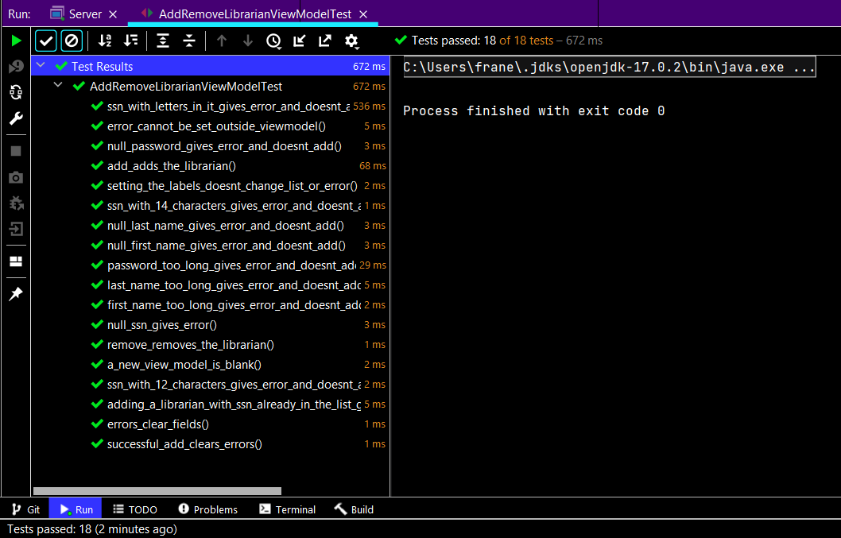
AddRemoveLibrarianViewModelTest | AddRemoveLibrarianViewModelTest
 | ssn_with_letters_in_it_gives_error_and_doesnt_add()
 | error_cannot_be_set_outside_viewmodel()
 | null_password_gives_error_and_doesnt_add()
 | add_adds_the_librarian()
 | setting_the_labels_doesnt_change_list_or_error()
 | ssn_with_14_characters_gives_error_and_doesnt_add()
 | null_last_name_gives_error_and_doesnt_add()
 | null_first_name_gives_error_and_doesnt_add()
 | password_too_long_gives_error_and_doesnt_add()
 | last_name_too_long_gives_error_and_doesnt_add()
 | first_name_too_long_gives_error_and_doesnt_add()
 | null_ssn_gives_error()
 | remove_removes_the_librarian()
 | a_new_view_model_is_blank()
 | ssn_with_12_characters_gives_error_and_doesnt_add()
 | adding_a_librarian_with_ssn_already_in_the_list_gives_error_and_doesnt_add()
 | errors_clear_fields()
error_cannot_be_set_outside_viewodel() will always fail because error field is bindBidirectional
 | successful_add_clears_errors()

AddRemoveLibraryUserViewModelTest | AddRemoveLibraryUserViewModelTest
 | new_object_is_blank()
 | null_ssn_gives_error_and_does_not_add()
 | error_cannot_be_set_outside_viewmodel()
 | adding_clear_fields()
 | null_last_name_gives_error_and_does_not_add()
 | null_first_name_gives_error_and_does_not_add()
 | setting_the_labels_doesnt_change_list_or_error()
 | null_password_gives_error_and_does_not_add()
 | add_adds_the_library_user()
 | correctly_adding_clear_errors()
 | errors_clear_fields()
 | add_two_library_users()
 | ssn_no_13_character_gives_error_and_does_not_add()

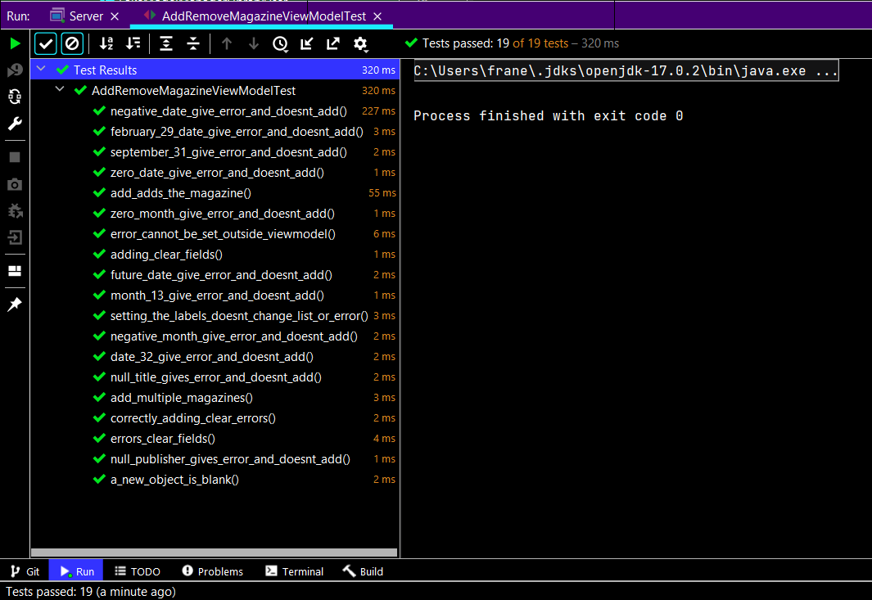
AddRemoveMagazineViewModelTest | AddRemoveMagazineViewModelTest
 | negative_date_give_error_and_doesnt_add()
 | february_29_date_give_error_and_doesnt_add()
 | september_31_give_error_and_doesnt_add()
 | zero_date_give_error_and_doesnt_add()
 | add_adds_the_magazine()
 | zero_month_give_error_and_doesnt_add()
 | error_cannot_be_set_outside_viewmodel()
 | adding_clear_fields()
 | future_date_give_error_and_doesnt_add()
 | month_13_give_error_and_doesnt_add()
 | setting_the_labels_doesnt_change_list_or_error()
 | negative_month_give_error_and_doesnt_add()
 | date_32_give_error_and_doesnt_add()
 | null_title_gives_error_and_doesnt_add()
 | add_multiple_magazines()
 | correctly_adding_clear_errors()
 | errors_clear_fields()
 | null_publisher_gives_error_and_doesnt_add()
 | a_new_object_is_blank()

Server
Server - server/storageTest | Name of the test: | Passed | Fail
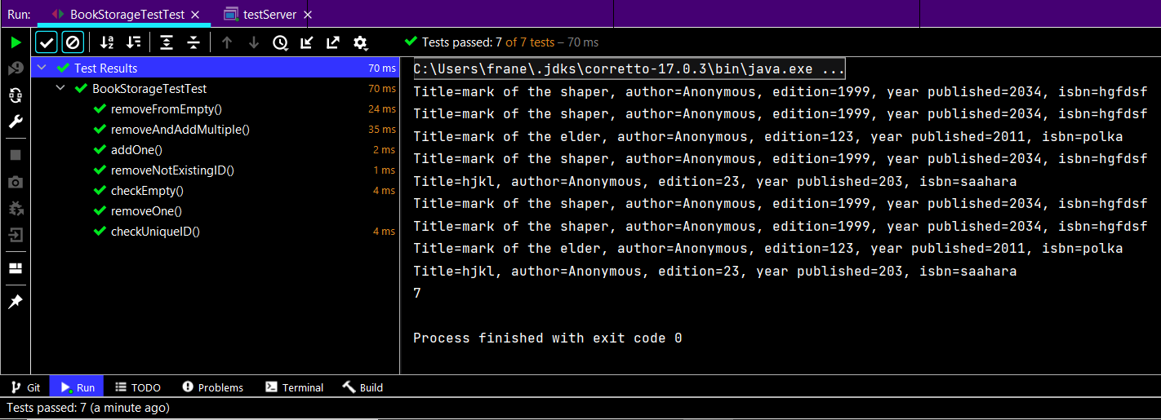
BookStorageTestTest | BookStorageTestTest
 | removeFromEmpty()
 | removeAndAddMultiple()
 | addOne()
 | removeNotExistingID()
 | checkEmpty()
 | removeOne()
 | checkUniqueID()
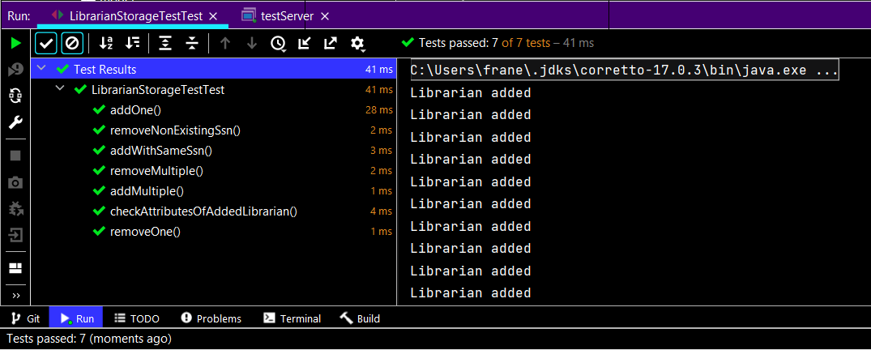
LibrarianStorageTestTest | LibrarianStorageTestTest
 | addOne()
 | removeNonExistingSsn()
 | addWithSameSsn()
 | removeMultiple()
 | addMultiple()
 | checkAttributesOfAddedLibrarian()
 | removeOne()

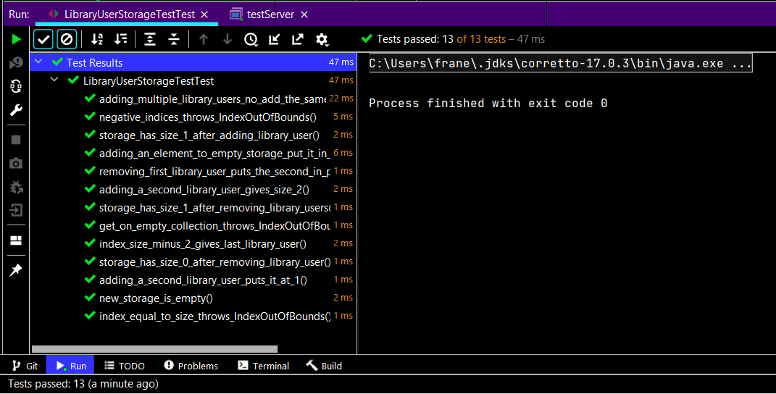
LibraryUserStorageTestTest | LibraryUserStorageTestTest
 | adding_multiple_library_users_no_add_the_same_library_user_twice()
 | negative_indices_throws_IndexOutOfBounds()
 | storage_has_size_1_after_adding_library_user()
 | adding_an_element_to_empty_storage_put_it_in_0()
 | removing_first_library_user_puts_the_second_in_position_0()
 | adding_a_second_library_user_gives_size_2()
 | storage_has_size_1_after_removing_library_users()
 | get_on_empty_collection_throws_IndexOutOfBounds()
 | index_size_minus_2_gives_last_library_user()
 | storage_has_size_0_after_removing_library_user()
 | adding_a_second_library_user_puts_it_at_1()
 | new_storage_is_empty()
 | index_equal_to_size_throws_IndexOutOfBounds()

MagazineStorageTestTest | MagazineStorageTestTest
 | addOne()
 | removeMultiple()
 | addMultiple()
 | removeOne()
 | checkUniqueID()

 | MagazineStorageTestTest
 | checkObject()

Shared
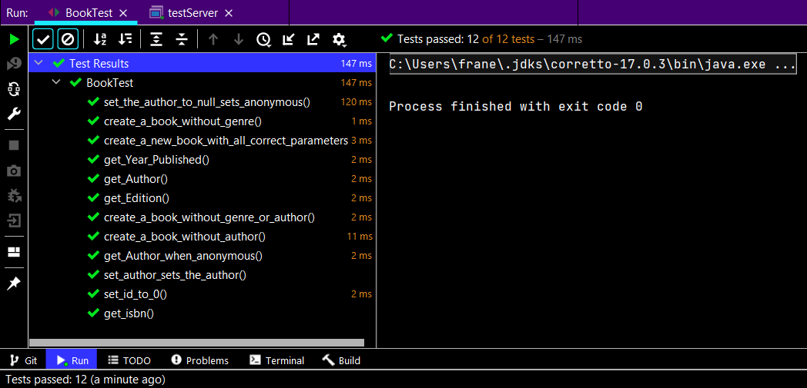
Shared - model | Name of the test: | Passed | Fail
BookTest | BookTest
 | set_the_author_to_null_sets_anonymous()
 | create_a_book_without_genre()
 | create_a_new_book_with_all_correct_parameters()
 | get_Year_Published()
 | get_Author()
 | get_Edition()
 | create_a_book_without_genre_or_author()
 | create_a_book_without_author()
 | get_Author_when_anonymous()
 | set_author_sets_the_author()
 | set_id_to_0()
 | get_isbn()

LibrarianTest | LibrarianTest
 | get_password_returns_password()
 | null_first_name()
 | set_date_of_employment_to_a_future_date_sets_the_date_normally()
 | null_password()
 | null_last_name()
 | get_date_of_employment_returns_the_date()
 | get_ssn_returns_ssn()
 | get_first_name_returns_first_name()
 | set_date_of_employment_sets_the_date()
 | get_last_name_returns_last_name()
 | create_new_librarian_with_all_corrects_parameters()
 |  | Test get_date_of_employment_returns_first_name will always fail because of the difference between date put into String and date format used in the project (FORMATTED_ISO_DATE)

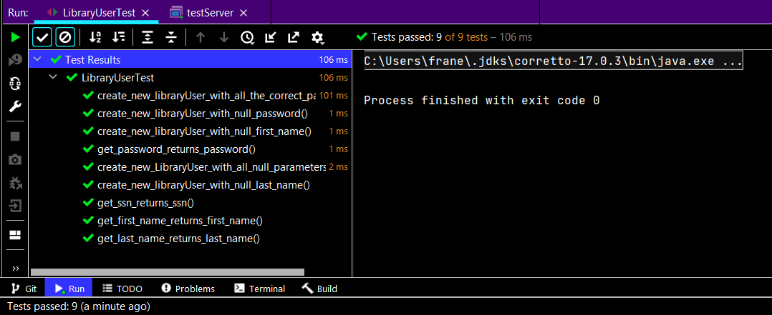
LibraryUserTest | LibraryUserTest
 | create_new_libraryUser_with_all_the_correct_parameters()
 | create_new_libraryUser_with_null_password()
 | create_new_libraryUser_with_null_first_name()
 | get_password_returns_password()
 | create_new_LibraryUser_with_all_null_parameters()
 | create_new_libraryUser_with_null_last_name()
 | get_ssn_returns_ssn()
 | get_first_name_returns_first_name()
 | get_last_name_returns_last_name()

